Sheet1
Stub # | Pteropod | Pteropod like | Bivalve | Others | Remarks
1 | 1 |  |  | many | Pteropod dirty; unknown particles
2 | 8 | 1 | 1 |  | PT-01 to 09; PT-06 acid?, PT-09 non-pteropod?
4 | 4 |  |  |  | #4 PT-04 may not be pteropod, similar to #2 PT-09
5 | 1 |  | 1
6 | 1 |  | 3 |  | BV-03 is this different from regular bivalve?
7 | 2 |  | 1 |  | PT-02 is certainly not pteropod but labelled as 'PT'
9 | 4 |  |  |  | Possibly all 4 specimens are not regular pteropod
10 | 6 |  |  | 1 | Unknown (gastropod) similar to #6 BV-03
11 | 2 |  |  |  | PT #11-PT-01 may be the same as #4 PT-04
12 | 6 |  |  |  | #12 PT-04 to 06 may be similar to #4 PT-04
13 | 2 |  | 1 |  | #13 PT-01 may be similar to #4 PT-04
14 | 1
15 | 3 |  |  |  | all three are different from pteropod
17 | 1
18 | 1 |  |  |  | Large pteropod (partial shell)
19 | 1 |  |  |  | Broken? Veru dirty
20 | 3 |  |  |  | All three were dirty/broken (popcorn)
21 | 1 |  |  |  | Dirty
28 | 1 |  | 1 |  | Stub # was 2B but erroneously marked on the observation sheet as 28

 |  |  |  |  | General remarks
 |  |  |  |  | Need to prepare stub stage schema (6 stubs)
 |  |  |  |  | Need to sampling sheet at each process (Cleaning and drying; stub preparation; observation (imaging) and note the sample number and any observations
 |  |  |  |  | Note also chirality i.e. coiling (dextral=clockwise or sinistral=counter clockwise)
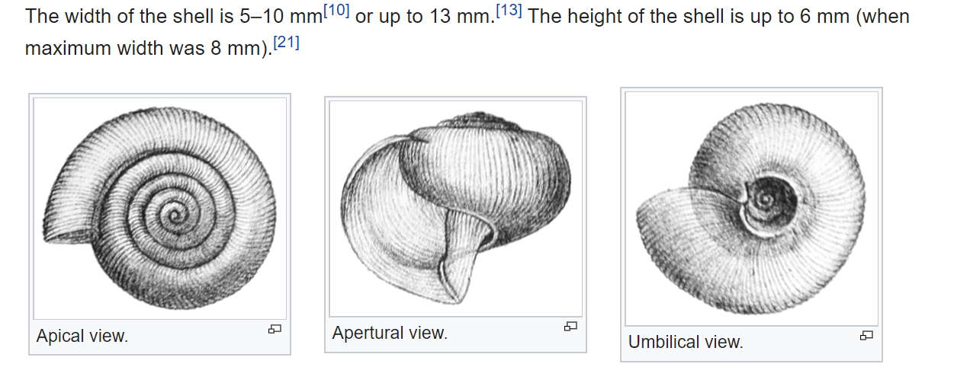

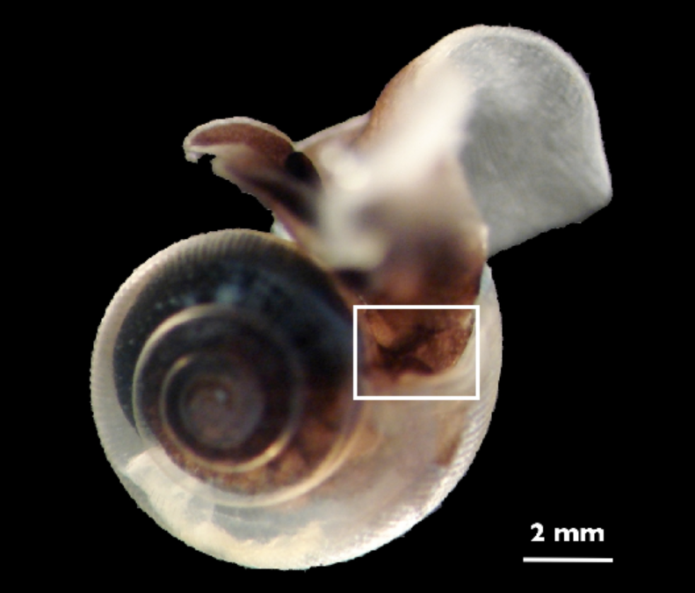

 |  |  |  |  | S. Comeau, G. Gorsky, R. Jeffree, J.-L. Teyssié & J.-P. Gattuso - Comeau S., Gorsky G., Jeffree R., Teyssie J.-L. & Gattuso J.-P. (2009). "Impact of ocean acidification on a key Arctic pelagic mollusc (Limacina helicina)". Biogeosciences 6: 1877-1882. doi:10.5194/bg-6-1877-2009. | Square zone was observed for Ocean acidification effect

